Practitioner View
 |  | Usage: | - For Individual practitioner to be able to review ONLY THEIR OWN performance themselves
 |  |  | Weekly view with trending, based on hours, revenue is just optional. This help to see if they claim that they are full for new clients
 |  |  | No need to show overall of the company, only 1 line show their data

 |  | Date Filter |  |  |  | Practitioner Filter
 |  | Oct 13, 2024 - Oct 19, 2024 |  |  |  | Alessia

 |  | Overview Performance by hours |  |  |  | View by Date

$$↓5\%$$
 |  |  | Mon | Tue | Wed | Thu | Fri | Sat |  | Average Hours / Week |  | Target Hours / Week
Location | Supervisor | Practitioner name | 2013-10-01 | 2013-10-02 | 2013-10-03 | 2013-10-04 | 2013-10-05 | 2013-10-06 | Total | 22.2 |  | 30
Toronto | XXX | Alessia | 85% | 74% | - | 82% | 90% | 80% | 82% | was 23.1 hrs last week

$$↓2\%$$
 |  |  |  |  |  |  |  |  |  | Average Revenue / Week |  | Target Revenue / Week
 |  |  | Above expectation |  | Meet Expectation |  | Below expectation |  |  | $4,995 |  | $6,750
 |  |  |  |  |  |  |  |  |  | was $5,094 last week
 |  | Total Actual hours vs Target |  |  |  | View by Date
 |  | Oct 23 Dawn/ Vincent
 |  | Stacked chart, where we can show actual and target, just hide the column in the bottom |  |  |  |  |  |  |  |  |  |  | Practitioner name | 2013-10-01 | 2013-10-02 | 2013-10-03 | 2013-10-04 | 2013-10-05 | 2013-10-06
 |  | Do this in both horizontal and vertical view |  |  |  |  |  |  |  |  |  |  | Alessia
 |  | Have 1 total and the rest of the bar is for the individual practitioner
 |  | --> 1 table and 1 chart

 |  | To remove |  |  |  |  |  |  |  | 23.1 | 4995

Manager View
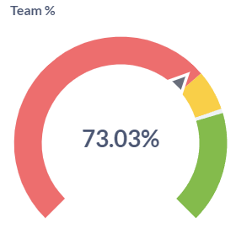
Weekly View |  |  | Office | Oakville
Performance per Hours |  |  | Supervisor | Merav
There can be another YTD, Week to day |  |  | Mon | Tue | Wed | Thu | Fri | Sat
Question . This is depends on the incentive program. If they pay my month, then we can have month today, If Pay by the end of the year, then we show YTD. Does manager incentives based on their own team performance. alse does manager take client's appointment as same as their practitioner. If they also consult clients, should they get their own incentives + their team incentives? |  | Practitioner name | 2013-10-01 | 2013-10-02 | 2013-10-03 | 2013-10-04 | 2013-10-05 | 2013-10-06 | Total |  |  |  | This is helpful for TM to see if he is meet the target because his team meeting the target
$$↓5\%$$
Question: Have another screen to show data by Year/ Month. Upto above question. |  | Estefano | 85% | 74% | - | 82% | 90% | 80% | 82% |  |  |  |  | 22.2 | 30
Another screen include data of previous year/ Previous month? |  | Zoey | 90% | 90% | 100% | 80% | 50% | - | 77% |  |  |  |  | was 23.1 hrs last week
Question, if one employee, or one managers can be in multiple team or manage multiple team |  | Narges | 100% | 90% | 80% | - | 90% | 95% | 91% |  |  |  |  | Average Revenue / Week | Target Revenue / Week
$$↓2\%$$
Do you need to see the performance breakdown by appointment type? |  | Total | 95% | 90% | 90% | 80% | 70% | 95% | 87% |  |  |  |  | was $5,094 last week
in any case appt date and payment date will be different?
in any case the balance is not 0? |  |  | Above expectation |  | Meet Expectation |  | Below expectation
Weekly View
 |  |  |  |  |  |  |  |  |  | 2 | Above expectation | Show this as a graph
Total Actual hours vs Target |  |  |  |  |  |  |  |  |  | 1 | Below Expectation

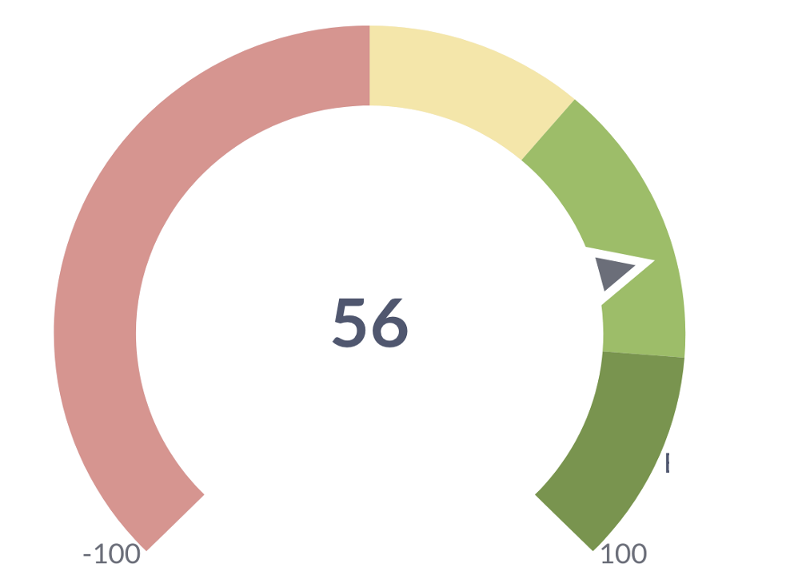

 | Estefano |  |  | Zoey |  |  |  |  | Narges

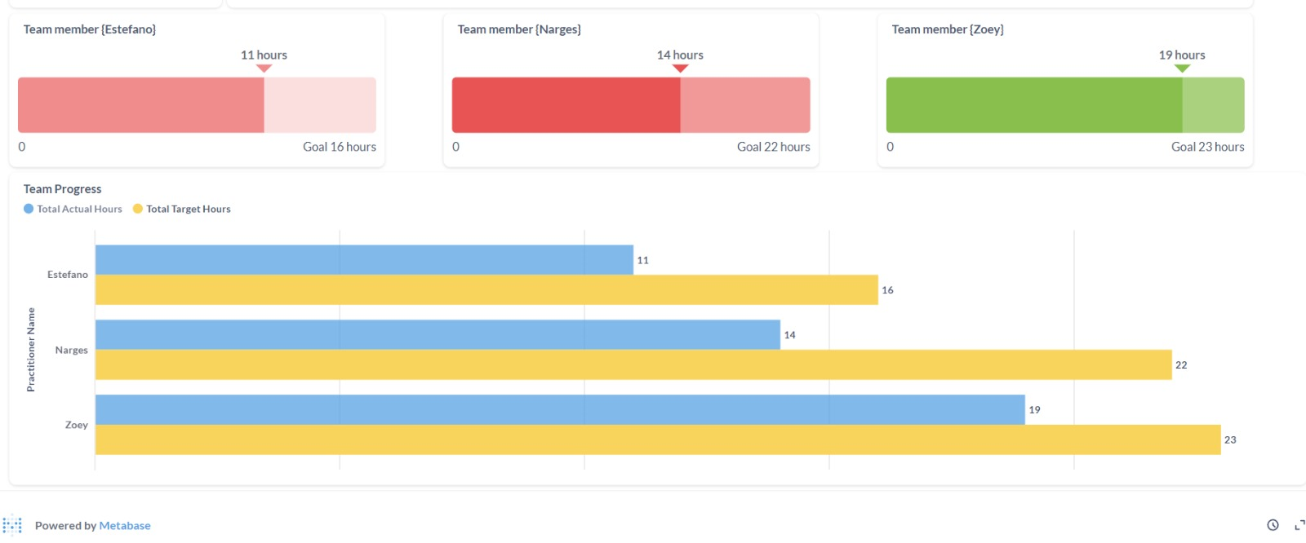

Oct 23 Dawn/ Vincent
Stacked chart, where we can show actual and target, just hide the column in the bottom
Do this in both horizontal and vertical view
Have 1 total and the rest of the bar is for the individual practitioner
--> 1 table and 1 chart

Coporate View (CEO CFO)
 |  |  |  |  |  |  |  |  | 3 views to show | Cop
 | Filter Date | Jan - Jun | <- not needed |  |  | Metrics | % / Sum Hours/ Sum Revenue |  |  | Location (include multiple managers) |  | or if manager in multiple location
 |  |  |  |  |  |  |  |  |  | Team manager (include multiple team members)
 | Practitioner name | Jan | Feb | Mar | Apr | May | Jun | Total | Overall |  |  |  | Oakville |  |  | Toronto
 | Toronto
 | Merav
 | Anne
 | Oakville

$$↓5\%$$
Office | Toronto |  |  |  |  |  | Link to Manager View |  | Hours / |  |  | Actual Hours / Month |  |  | Target Hours / Month
Manager | Jack |  |  |  |  |  |  |  | 22.2 |  |  | 30 |  |  | 30
 |  |  |  |  |  |  |  |  | was 23.1 hrs last week |  | This should compare with last year, should be a cumulative graph for last and this year (Line chart or gauge, etc…).Question: YOY or QoQ, or same quarter year to year
 | Practitioner name | Jan | Feb | Mar | Apr | May | Jun | Total
 | Jack |  |  |  |  |  |  |  | Revenue / |  |  | Actual Revenue / Month |  |  | Target Revenue / Month
$$↓2\%$$
 | Liz |  |  |  |  |  |  |  | $4,995 |  |  | $6,750 |  |  | $6,750
 |  |  |  |  |  |  |  |  | was $5,094 last week |  | This should compare with last year

 | Psychotherapy | Parent Coaching | Adult Coaching | Couple Coaching | Cancellation/ Noshow
10/1/2024
10/2/2024
10/3/2024
10/4/2024
10/5/2024
10/6/2024
 | Revenue
Psychotherapy | 937.5
Parent Coaching | 375
Adult Coaching | 300
Couple Coaching | 206.25
Cancellation/ Noshow | 56.25
 |  |  |  |  |  |  |  |  | Total Revenue per Appointment Type |  |  |  |  | Total Hour per Appointment Type

 | Revenue
Psychotherapy | 2111000
Parent Coaching | 844400
Adult Coaching | 675520
Couple Coaching | 464420
Cancellation/ Noshow | 126660

 | Performance per Branches
 | In-person | Telehealth | Mixed
10/1/2024 | 2
10/2/2024
10/3/2024
10/4/2024
10/5/2024
10/6/2024
 | Revenue
In-person | 352000
Telehealth | 60000
Mixed | 10000
 |  |  |  |  |  |  |  |  | Total Revenue per Branches |  |  |  |  | Total Hour per Branches
 | Revenue
In-person | 1564
Telehealth | 266
Mixed | 45

